Sheet1
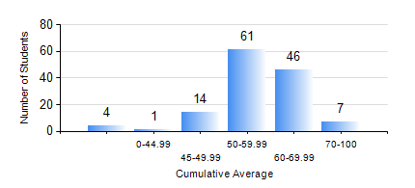
 |  |  | KWAME NKRUMAH UNIVERSITY OF SCIENCE AND TECHNOLOGY, KUMASI Department of Geological Engineering

 |  |  | BSC. GEOLOGICAL ENG.

 |  |  | COMPREHENSIVE RECORD OF EXAMINATION RESULTS

 |  |  | RESULTS OF YEAR 3 SECOND SEMESTER, 2018/2019 ACADEMIC YEAR

 | Sn | Course Code |  | Course Name | Credit Hours | Min. Mark | Max. Mark | Avg. Mark | Std. Dev. | No. Passed | No. Trailed | No. (Df) | No. (I) | No. (I*) | No. Tagged(I,I*,Df) | Total
 | 0. |  |  |  |  |  |  | 0 | 0 | 0 | 0 | 0 | 0 | 0 | 0 | 7
 | 1. | CE 360 |  | FOUNDATION ENGINEERING | 3 | 7 | 84 | 47 | 13.59 | 99 | 27 | 0 | 0 | 0 | 0 | 126
 | 2. | GED 342 |  | MINING PRINCIPLES | 2 | 13 | 97 | 68 | 16.77 | 120 | 6 | 0 | 0 | 0 | 0 | 126
 | 3. | GED 352 |  | PRINCIPLES OF GEOCHEMISTRY | 2 | 26 | 93 | 66 | 15.23 | 120 | 6 | 0 | 0 | 0 | 0 | 126
 | 4. | GED 354 |  | PRINCIPLES OF GEOPHYSICS | 3 | 2 | 84 | 53 | 17.99 | 102 | 24 | 0 | 0 | 0 | 0 | 126
 | 5. | GED 364 |  | STRUCTURAL GEOLOGY | 3 | 16 | 74 | 51 | 10.68 | 118 | 8 | 0 | 0 | 0 | 0 | 126
 | 6. | GED 366 |  | MINERAL ECONOMICS AND EVALUATION | 3 | 17 | 88 | 60 | 14.7 | 121 | 5 | 0 | 0 | 0 | 0 | 126
 | 7. | GED 368 |  | GIS APPLICATIONS | 2 | 30 | 85 | 63 | 11.33 | 125 | 1 | 0 | 0 | 0 | 0 | 126

